CC Development Plan
Activity | R&D Plan | Tmescale |  |  |  |  |  |  |  |  |  |  |  |  |  |  |  | When?
 |  | 2021 |  |  |  | 2022 (Yr 1) |  |  |  | 2023 (Yr 2) |  |  |  | 2024 (Yr 3)
 |  | Q1 | Q2 | Q3 | Q4 | Q1 | Q2 | Q3 | Q4 | Q1 | Q2 | Q3 | Q4 | Q1 | Q2 | Q3 | Q4
Set CC specifications | T0 + 3m |  |  |  |  |  |  |  |  |  |  |  |  |  |  |  |  | 24-Jun-21

Bare cavity EM design parameters
Decision 1 (EM Design)
Decision 2 (Protototye)
Hom damped cavity parameters

HOM coupler development

Mechanical design

1st Workshop review of various design options (cavity, HOMs, couplers) | T0 + 9m |  |  |  |  |  |  |  |  |  |  |  |  |  |  |  |  | 7-Dec-21

Multipacting assessment

Tuning solution and pressure analysis

2nd Workshop review of various design options (cavity, HOMs, couplers, multipacting, tuning) | T0 + 15m |  |  |  |  |  |  |  |  |  |  |  |  |  |  |  |  | 21-Jun-22

Decision 1 - cavity shape, HOMs, couplers, multipacting, tuning, pressure stability, fabrication (2 cavities chosen) | T0 + 18m |  |  |  |  |  |  |  |  |  |  |  |  |  |  |  |  | 27-Sep-22

Decision 2 - Prototype cavity manufacture and ancillaries (couplers (FPC and HOMs) and tuner) and high power test (1 cavity chosen) | T0 + 36m |  |  |  |  |  |  |  |  |  |  |  |  |  |  |  |  | Mar-24

IP Interface Schematic
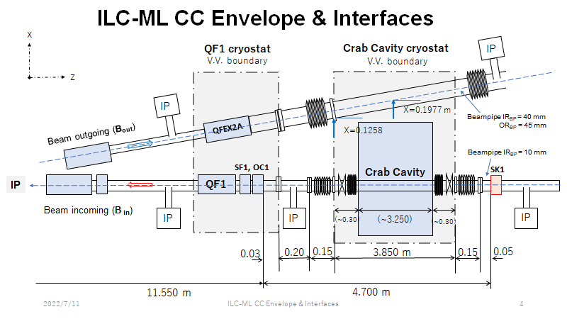
Provided by Okugi-san and Akira 19/7/22

